Cover
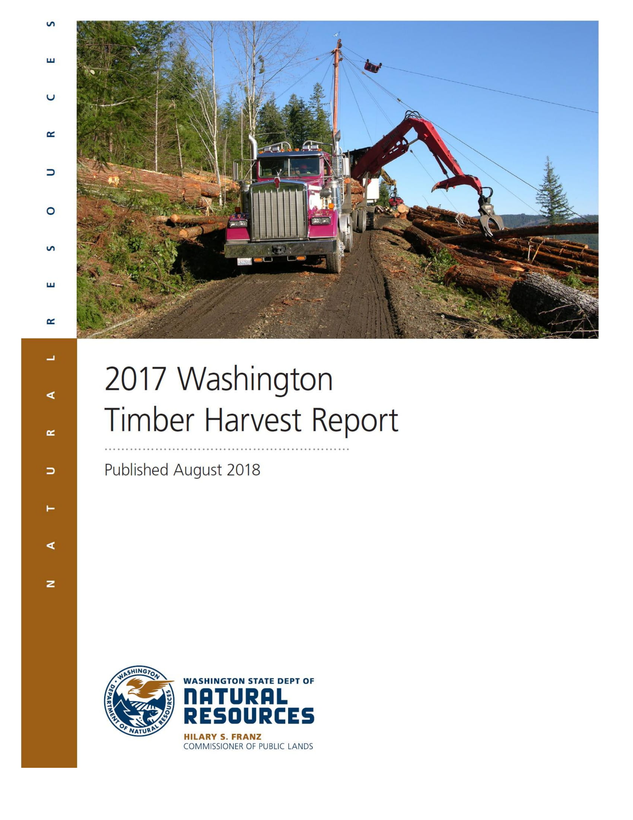

Acknowledgements
Acknowledgments
We appreciate everyone whose help made this report possible. The Washington State Department of Revenue provided nearly all the harvest data. The Bureau of Indian Affairs provided the tribal data which were published in the annual "Indian Forestry Status Report to Congress."
Prepared by:
Andrea Watts Research Analyst
With assistance from:
DNR Office of Finance, Budget, and Economics Brule Burkhart Deputy Supervisor of Administration
David Chertudi Lead Economist
Kristoffer Larson Economist Additional Assistance Bob Redling DNR Editor, Communications
Jim Yeager DNR Database Administrator
Please address requests regarding this report to:
Andrea Watts
Office of Budget and Economics
Department of Natural Resources
P.O. Box 47041
Olympia, WA 98504-7041
Phone: (360) 902-1026
Fax: (360) 902-1010
Email: andrea.watts@dnr.wa.gov
Cover photo:
Log truck being loaded during harvest using a loader and cable yarding system on a hillside forest road in Washington State.

DNR Website
http://www.dnr.wa.gov

Previous Timber Harvest Reports
http://www.dnr.wa.gov/TimberHarvestReports

Introduction
Introduction
This is the 68th edition of the Washington Timber Harvest Report. The report covers data on timber harvested from public and private forests within Washington State. The statewide harvest data were collected by the Washington Department of Revenue for calculating the Forest Excise Tax. The report consists of 39 tables containing harvest totals described by county, ownership, and species with distinction between Eastern and Western counties.
Yearly totals of timber harvested from Washington’s tribal lands are provided by the Bureau of Indian Affairs and are not included in statewide or county totals but are included separately in this report. Nine Washington tribes reported 2017 harvests totaling just over 191 million board feet of timber.
The statewide timber harvest total reached 2.7 billion board feet in 2017, increasing approximately 50 million board feet from 2016. Western Washington's 19 counties contributed 2.3 billion board feet, around 85 percent of the total timber harvested in the state. The remaining 15 percent of timber was harvested in Eastern Washington's 15 timber-producing counties and yielded slightly more that 400 million board feet.
The top three timber-producing counties are all located in southwestern Washington. Of those three counties, Lewis County had the highest total harvest, accounting for 13 percent of timber statewide. Grays Harbor County supplied 11 percent of the total and Cowlitz County 10 percent. The top six timber producing counties statewide made up more than half of the state's harvest with Stevens county being the only eastside county to make the list. Eastern Washington’s top three producing counties included Stevens County with nearly 6 percent of the state total, followed by Klickitat and Pend Oreille contributing 3 and 2 percent respectively.
The majority of timber harvested in the state belongs to two species: Douglas-fir and Western hemlock. More than 1.3 billion board feet of Douglas-fir timber was harvested in Washington in 2017, making up nearly half of the total timber harvest. Western hemlock added 25 percent of the total with 650 million board feet. The remaining 25 percent of the harvest totals came from other mixed conifers, Ponderosa pine, other mixed pines, hardwood species, and cedars.

Organization of Data
Organization of Data
The report is available in two formats (PDF and Excel).The content is divided into four statewide summary tables and 34 county tables. Volumes are listed in thousand board feet (mbf), Scribner.
Totals for Washington's timber harvests are displayed by:
- Eastside and Westside log volume by county and land ownership.
- Eastside and Westside log volume by species and land ownership.
- County totals by species and land ownership.

Ownership Categories
Private
FOREST INDUSTRY Companies and individuals operating wood-processing plants (mills).
PRIVATE LARGE Non-industrial companies and individuals not operating wood-processing plants but with statewide holdings totaling 1,000 or more acres.
PRIVATE SMALL Non-industrial companies and individuals not operating wood-processing plants and owning less than a total of 1,000 acres.
TRIBAL LANDS The Department of Revenue does not collect timber harvest data from tribal lands. However, Washington tribal harvest totals are listed on Page viii and are based on a Bureau of Indian Affairs report to Congress.
Public
STATE Lands managed by the Department of Natural Resources for various beneficiaries (schools, etc.).
FEDERAL National forests, national parks, and other federal-lands (military, etc.).
OTHER PUBLIC Public lands owned by cities, counties, public utility districts, and state agencies, other than state-owned lands managed by DNR. Does not include federal lands.

Species Categories

Category | Classification | Species
DOUGLAS-FIR | Softwood | Douglas-fir and Western Larch
WESTERN HEMLOCK | Softwood | All Hemlock, Spruce, true Fir species, and Lodgepole Pine
CEDARS | Softwood | Western Redcedar and Alaska-cedar
PONDEROSA PINE | Softwood | Ponderosa Pine and Western White Pine
OTHER PINE | Softwood | All other Pines not listed
OTHER CONIFER | Softwood | All other Conifers not listed
RED ALDER | Hardwood | Red Alder
OTHER HARDWOODS | Hardwood | Eastern Washington bigleaf maple, black cottonwood, quaking aspen, western paper birch, white alder, and willow
 |  | Western Washington bigleaf maple, black cottonwood, Oregon ash, Oregon white oak, Pacific dogwood, quaking aspen, western paper birch, and willow

Tribal Harvests
 | Washington Tribal Timber Harvests
 | Total Volume 2013-2017
 |  | thousand board feet, Scribner

YEAR | TRIBES REPORTING | TOTAL

2013 | 8 | 120,433
2014 | 9 | 182,915
2015 | 12 | 172,581
2016 | 9 | 277,752
2017 | 9 | 191,117

Data were compiled from editions of the Bureau of Indian Affairs annual "Indian Forestry Status Report to Congress." Timber from tribal lands is not recorded by the Department of Revenue, which collects the majority of the data used in this report.

